Hint
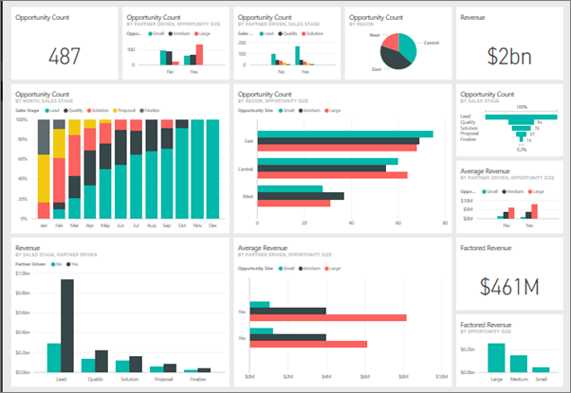
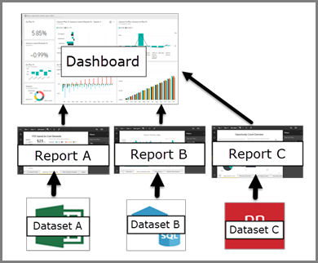
1. Is there any outliers or missing values?
2. Note the difference between created_date and trip_date
3. Which route and bus company sell the most tickets?
4. What is the difference between New Customer and Old Customer?

1. There is no outlier but data sheet have missing values listed below:
- bus_rating: miss value is 'Not Rating Yet'
- vehicle_type: miss value is 'unknown'
-sit type: when vehicle type is null, sit type is also null => unknown
-customer_type: miss value is 'Old Customer'
O+jnS0BSaWhrAz6sr2qA
2. created_date: is a day that customer create order. Trip_date is department date
4. New customer have the first trip. In case, a customer have first trip and order twice booking having the same day
Old Customer: have previous trip_date and trip date > previous trip date. In other case, it’s new customer

- Doanh thu: doanh thu theo thời gian, AOV, IPT, so sánh các chỉ số của tháng này so với tháng trước
- Khách hàng: tỷ lệ quay lại của KH, phân loại Khách hàng, top khách hàng mua nhiều nhất.

